Indices

 | Iraq Stock Exchange
 | Bulletin No (196)

 | ISX Trading Indices of Sunday 2/11/2025

 | Traded Volume and OTC |  | 803,407,267 |  | Traded Value and OTC |  | 1,970,620,632 |  | Traders | 1048

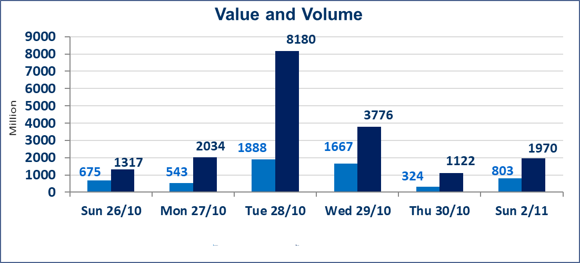
 | ISX Index 60 |  |  | 945.53 | ISX Index 15 |  |  | 1149.36
 | Previous ISX Index60 |  |  | 940.17 | Previous ISX Index15 |  |  | 1134.65
 | Change % |  |  | 0.57 | Change % |  |  | 1.30
 | Change |  |  | 5.36 | Change |  |  | 14.71

 | Listed Companies | 104 | OTC | 11 | Non Traded listed | 51 | OTC | 10
 | Traded Listed Companies | 41 | OTC | 0 | Higher Companies |  |  | 12
 | GAM Companies |  |  | 2 | Lower Companies |  |  | 14
 | Suspended Companies |  |  | 10
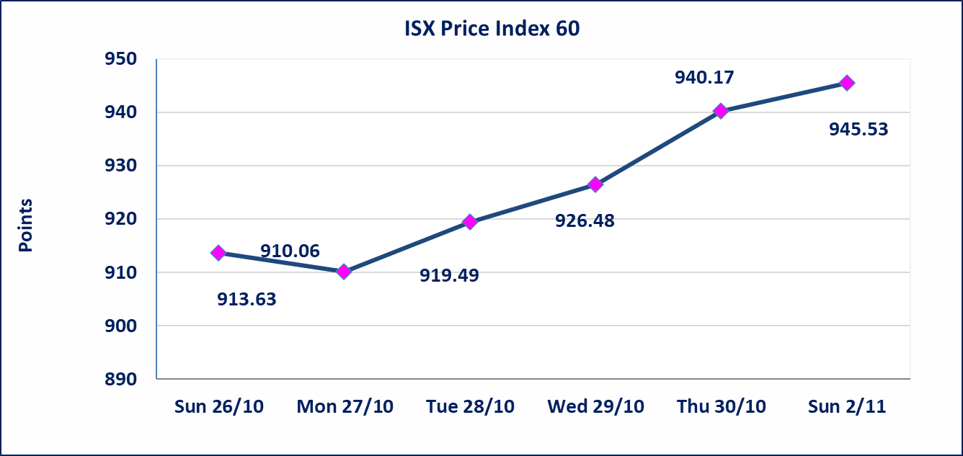
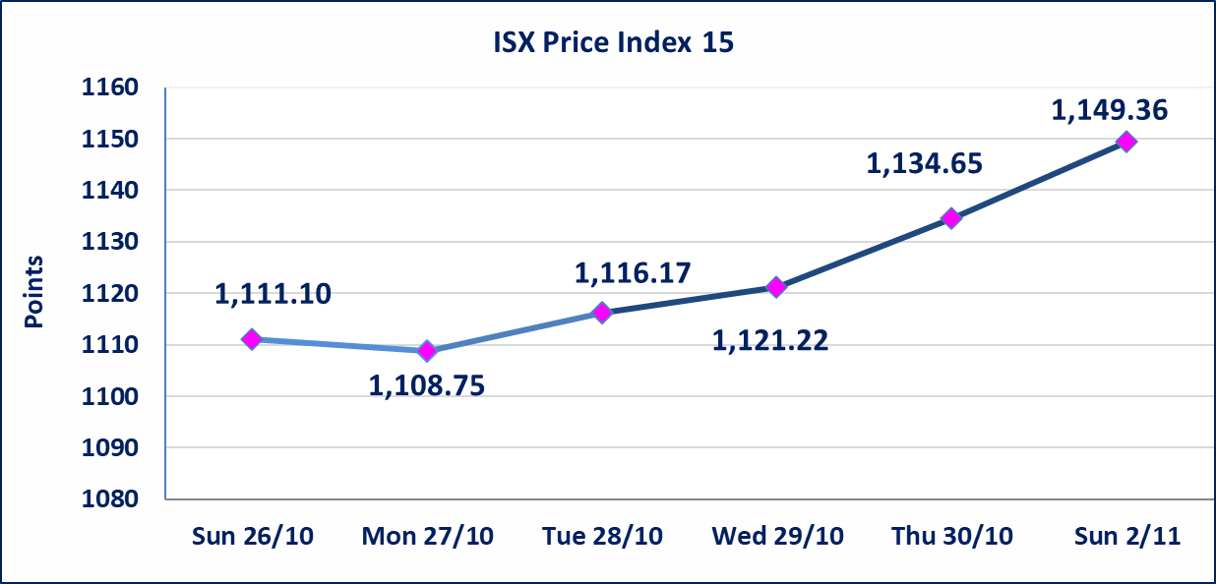

Al-Alwiya P.O . 3607 Mobile: 07711211522 - 07270094594 - 07834000034 E-mail: info-isx@isx-iq.net Web site:www.isx-iq.net

Top 5
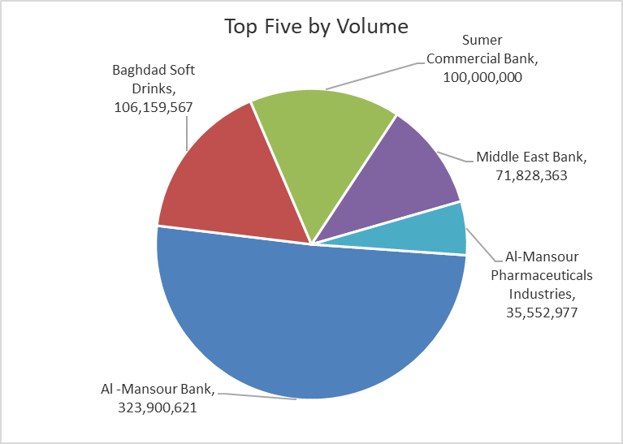
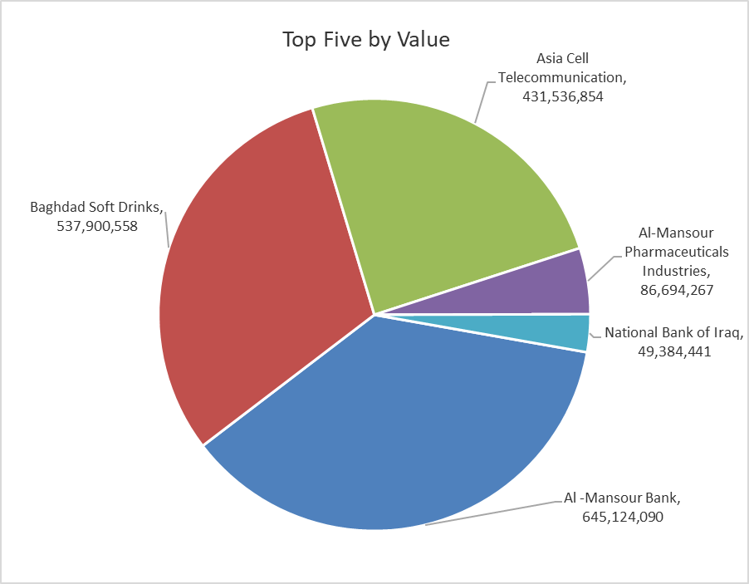
ISX top ganing and losing companies
Sunday 2/11/2025
Gainers |  |  |  | Losers
Company Name | Closing Price | Change (%) | Traded Volume | Company Name | Closing Price | Change (%) | Traded Volume
Iraqi Date Processing and Marketing | 2.970 | 14.23 | 2,500 | Babil Animal & Vegetable Production | 5.000 | -8.26 | 1,988
Electronic Industry | 1.520 | 4.83 | 12,935,606 | Al -Khazer Construction Materials | 1.000 | -4.76 | 857,523
Asia Cell Telecommunication | 12.600 | 4.05 | 34,450,258 | General Transportation | 1.700 | -4.49 | 57,800
Palestine Hotel | 28.000 | 1.82 | 245 | Investment Bank of Iraq | 0.220 | -4.35 | 30,552,548
Baghdad Hotel | 11.700 | 1.74 | 100,119 | Modern Construction Materials | 0.680 | -4.23 | 663,718

The most active companies in term of traded volume and value

Traded Volume |  |  |  | Traded Value
Company Name | Closing Price | Change (%) | Traded Volume | Company Name | Closing Price | Change (%) | Traded Value
Al -Mansour Bank | 2.010 | 1.52 | 323,900,621 | Al -Mansour Bank | 2.010 | 1.52 | 645,124,090
Baghdad Soft Drinks | 5.100 | 0.59 | 106,159,567 | Baghdad Soft Drinks | 5.100 | 0.59 | 537,900,558
Sumer Commercial Bank | 0.090 | 0.00 | 100,000,000 | Asia Cell Telecommunication | 12.600 | 4.05 | 431,536,854
Middle East Bank | 0.060 | 0.00 | 71,828,363 | Al-Mansour Pharmaceuticals Industries | 2.420 | -1.22 | 86,694,267
Al-Mansour Pharmaceuticals Industries | 2.420 | -1.22 | 35,552,977 | National Bank of Iraq | 4.280 | 0.47 | 49,384,441

Non Iraqis

Iraq Stock Exchange
Non Iraqis' Bulletin Sunday Nov 2 2025
Regular Market

Non Iraqi Trading of Regular Market (Buy)
Company Names | Code | No.of trades | Traded Shares | Trading Volume
Industry Sector
Modern Sewing | IMOS | 1 | 10,000 | 60,500
Total Industry sector |  | 1 | 10,000 | 60,500
Grand Total |  | 1 | 10,000 | 60,500

Non Iraqi Trading of Regular Market (Sell)
Company Names | Code | No.of trades | Traded Shares | Trading Volume
Banks Sector
National Bank Of Iraq | BNOI | 1 | 46,511 | 199,997
Total Bank sector |  | 1 | 46,511 | 199,997
Grand Total |  | 1 | 46,511 | 199,997

